Video links
Dr. Fauci ex-employee links

1 | https://www.youtube.com/watch?v=IsuCa6V7prg
2 | https://www.youtube.com/watch?feature=share&v=fsi9csLNb-Y | https://www.youtube.com/watch?feature=share&v=fsi9csLNb-Y&app=desktop
3 | https://www.youtube.com/watch?v=DqqggJWZXsg

Image at around 5pm ET on May 6 2020 |  |  |  | by 5:36pm ET: 2,219,969 views

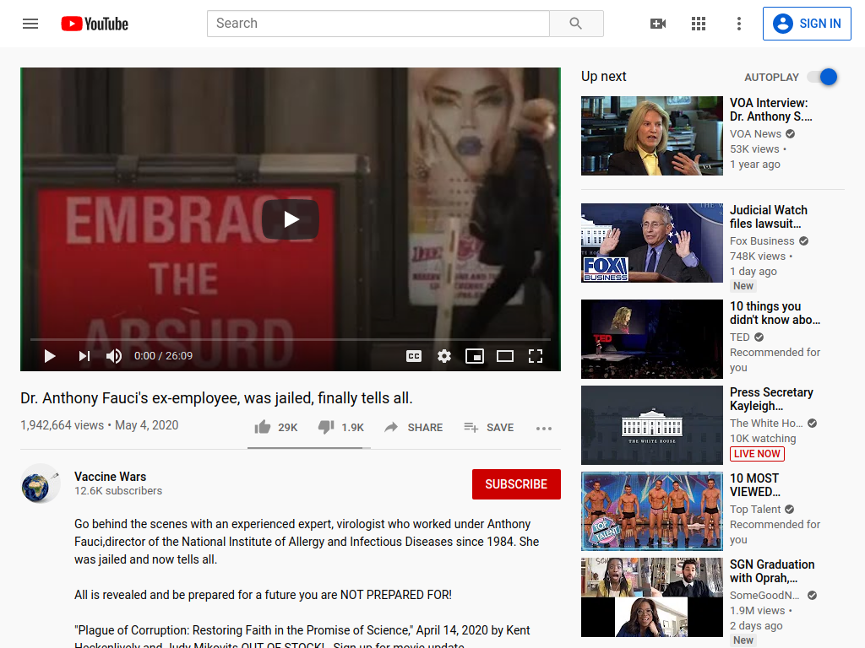

Facebook versions of the video have been up since May 4 |  | Instagram versions | Views | YouTube reuploads May 6-7 | Views | Bitchute
https://www.facebook.com/watch/?v=2589611291300683&external_log_id=7c1bfa92afa8f00be785345617ed6e53&q=%22Dr.%20Fauci%20ex-employee%20links%22 | 10000 | https://www.instagram.com/tv/B_2ha8wBw8n/ | 94,017 | https://www.youtube.com/watch?v=7B8qJbKwx_o | 10,605 | https://www.bitchute.com/video/7PmIaChOKAg/
https://www.facebook.com/watch/?ref=search&v=1428696000652385&external_log_id=15540b755857d7d754b9b04f9488f7f6&q=%22Dr.+Fauci+ex-employee+links%22 | 15000 | https://www.instagram.com/tv/B_1Ey7TASuu/ | 134,966 | https://www.youtube.com/watch?v=FyWbtxeS-7k | 52,535 | https://www.bitchute.com/video/CZM2naj0NAsY/
https://www.facebook.com/CALiFoRNiAWEBER/videos/10220584441893816/ | 226 | https://www.instagram.com/tv/B_zsFCNn4pv/ | 41306 | https://www.youtube.com/watch?v=GgK6wBguYfI | 9
https://www.facebook.com/CALiFoRNiAWEBER/videos/10220584441693811/ | 74 | https://www.instagram.com/tv/B_11jPLlCE4/ | 40656 | https://www.youtube.com/watch?v=qkGNeUMp33Y | 207
https://www.facebook.com/watch/?ref=search&v=226559528635901&external_log_id=15540b755857d7d754b9b04f9488f7f6&q=%22Dr.+Fauci+ex-employee+links%22 | 3100 | https://www.instagram.com/tv/B_1UcnDnUA4/ | 53867 | https://www.youtube.com/watch?v=dmwYw_LoIZ8 | 43,289
https://www.facebook.com/watch/live/?v=330437067921787&ref=search&external_log_id=15540b755857d7d754b9b04f9488f7f6 | 1100 | https://www.instagram.com/tv/B_2rlOenhcf/ | 24013 | https://www.youtube.com/watch?v=D-7HevDWXOA | 139
https://www.facebook.com/watch/?ref=search&v=252158689475811&external_log_id=15540b755857d7d754b9b04f9488f7f6&q=%22Dr.+Fauci+ex-employee+links%22 | 15000 | https://www.instagram.com/tv/B_zrU46HmqR/ | 7872 | https://www.youtube.com/watch?v=pZCAjaFBBvk | 18
https://www.facebook.com/michael.osip.5/videos/2496570843775736/ | 154 | https://www.instagram.com/tv/B_10fh9lHe4/ | 7485 | https://www.youtube.com/watch?v=fIL9Nh8_teY | 73
https://www.facebook.com/watch/?ref=search&v=233451561264930&external_log_id=15540b755857d7d754b9b04f9488f7f6&q=%22Dr.+Fauci+ex-employee+links%22 | 517 | https://www.instagram.com/tv/B_2J_l1FWoH/ | 5250 | https://www.youtube.com/watch?v=Y6lJ9VUKgPs | 1,372
https://www.facebook.com/watch/live/?v=1559601250864457&ref=search&external_log_id=15540b755857d7d754b9b04f9488f7f6 | 61 | https://www.instagram.com/tv/B_3vlOYAj9F/ | 4026 | https://www.youtube.com/watch?v=bhkKxkBlUS4 | 39
https://www.facebook.com/sarah.sanders.359778/videos/10158170389537398/ | 255 | https://www.instagram.com/tv/B_31W9sAq2V/ | 5495 | https://www.youtube.com/watch?v=qpKaHijTRYs | 169
https://www.facebook.com/dominique.carrillo.98/videos/2970235203057899/ |  | https://www.instagram.com/tv/B_5V94mBfpY/ | 10,753 | https://www.youtube.com/watch?v=qcXpAy5iHgc | 164
https://www.facebook.com/dominique.carrillo.98/videos/2970374326377320/ |  | https://www.instagram.com/tv/B_5649egsWU/ | 57,258 | https://www.youtube.com/watch?v=jWD8hXpwVok | 2
https://www.facebook.com/dominique.carrillo.98/videos/2970234213057998/ |  | https://www.instagram.com/tv/B_6yIq_gj8U/ | 4,572 | https://www.youtube.com/watch?v=st753V7kZjc | 710
https://www.facebook.com/dominique.carrillo.98/videos/2970234213057998/ |  | https://www.instagram.com/tv/B_5oPQ8pWFC/ | 2128 | https://www.youtube.com/watch?v=DketPWFdJBk&list=PLr_1-ErLhza4u7Zwb4ZmR1_9ccVGqyR9q | 552,208
https://www.facebook.com/watch/live/?v=277288079972341&ref=search&external_log_id=15540b755857d7d754b9b04f9488f7f6 | 80 | https://www.instagram.com/tv/B_5zDlYlHOL/ | 1,837 | https://www.youtube.com/watch?v=rzcuABD-HA0 | 646
https://www.facebook.com/rausmktg.rivera/videos/2728373224053005/ | 73 | https://www.instagram.com/tv/B_5npGogWrn/ | 738 | https://www.youtube.com/watch?v=JoM_RMupC1Q | 60
https://www.facebook.com/michael.jackson.948/videos/10222203766064434/ | 609 | https://www.instagram.com/tv/B_2euXwANhR/ | 97,443 | https://www.youtube.com/watch?v=NphM0JOzSU4 | 2
https://www.facebook.com/tyler.matthews.315/videos/10157305312777543/ | 131 | https://www.instagram.com/tv/B_3DiJRHTuy/ | 57,608 | https://www.youtube.com/watch?v=n7aEGt-azls | 111
https://www.facebook.com/ty.dolla.336/videos/1077617049275492/ | 31 | https://www.instagram.com/tv/B_28XbegoGw/ | 24,163 | https://www.youtube.com/watch?v=HQlJpubHEtM | 198
https://www.facebook.com/kayla.beal2/videos/10216586314281348/ | 258 | https://www.instagram.com/tv/B_2vgAYjNI3/ | 21,944 | https://www.youtube.com/watch?v=XaedR3-LR2I | 4
https://www.facebook.com/watch/?ref=search&v=1679953652142476&external_log_id=15540b755857d7d754b9b04f9488f7f6&q=%22Dr.+Fauci+ex-employee+links%22 | 6 | https://www.instagram.com/tv/B_3x0BdgyFq/ | 8,419 | https://www.youtube.com/watch?v=Fvh2zYDGfK0 | 28
https://www.facebook.com/watch/?ref=search&v=713920699349713&external_log_id=15540b755857d7d754b9b04f9488f7f6&q=%22Dr.+Fauci+ex-employee+links%22 | 127 | https://www.instagram.com/tv/B_4QfGGJuSG/ | 23,508 | https://www.youtube.com/watch?v=6npuZ26NmTg | 274
https://www.facebook.com/roberts70652/videos/3622557944437600/ | 398 | https://www.instagram.com/tv/B_3_iP_Jssb/ | 23766 | https://www.youtube.com/watch?v=X8Ode_lNaQ8 | 199
https://www.facebook.com/lee.merchunt.50/videos/3531541530194552/ | 15 |  | 753,090 | https://www.youtube.com/watch?v=9moM_mZgsEo | 624
https://www.facebook.com/bigaztro/videos/2864938316889081/ | 32 |  |  | https://www.youtube.com/watch?v=XDqQjY9SNuA | 1204 | spanish translation
https://www.facebook.com/mikki.willis/videos/2769241289853478/ | 1742110 |  |  | https://www.youtube.com/watch?v=yXIDrYqilsQ | 13 | spanish translation
https://www.facebook.com/watch/?ref=search&v=671426920343017&external_log_id=b206ae3645138ab6fea6523c1dc573d4&q=plandemic | 6900 |  |  | https://www.youtube.com/watch?v=R8K-i3UjnCU | 288 | spanish translation
https://www.facebook.com/watch/?ref=search&v=2342764622690535&external_log_id=b206ae3645138ab6fea6523c1dc573d4&q=plandemic | 7300 |  |  | https://www.youtube.com/watch?v=ZhMVo1Xqwnk | 15
https://www.facebook.com/watch/?ref=search&v=2741595892634140&external_log_id=b206ae3645138ab6fea6523c1dc573d4&q=plandemic | 37000 |  |  | https://www.youtube.com/watch?v=pmNed0P0RKQ | 0
https://www.facebook.com/watch/?ref=search&v=2397809847183808&external_log_id=b206ae3645138ab6fea6523c1dc573d4&q=plandemic | 15000 |  |  | https://www.youtube.com/watch?v=Ga7SAyhkJFQ | 98
https://www.facebook.com/watch/?ref=search&v=667508107129648&external_log_id=b206ae3645138ab6fea6523c1dc573d4&q=plandemic | 581 |  |  | https://www.youtube.com/watch?v=Z0Ea7AvuACI | 240 | spanish translation
https://www.facebook.com/watch/?ref=search&v=292884811704320&external_log_id=b206ae3645138ab6fea6523c1dc573d4&q=plandemic | 10000 |  |  | https://www.youtube.com/watch?v=_5KVY8jSB68 | 220 | spanish translation
https://www.facebook.com/watch/?ref=search&v=554121728870490&external_log_id=b206ae3645138ab6fea6523c1dc573d4&q=plandemic | 9 |  |  | https://www.youtube.com/watch?v=gMenOgqCZ0k | 435 | german version
https://www.facebook.com/watch/?ref=search&v=841353023015845&external_log_id=b206ae3645138ab6fea6523c1dc573d4&q=plandemic | 81 |  |  | https://www.youtube.com/watch?v=-q6rSFzAkRc | 219
https://www.facebook.com/watch/?ref=search&v=254937199224501&external_log_id=b206ae3645138ab6fea6523c1dc573d4&q=plandemic | 617 |  |  | https://www.youtube.com/watch?v=bhkKxkBlUS4&t=2s | 39
https://www.facebook.com/Clubfiestas/videos/10158086142669985/ | 1014 |  |  | https://www.youtube.com/watch?v=Rbx_3hdxfzU | 475
https://www.facebook.com/dcurcio.ombres/videos/10222111093996386/ | 49 |  |  | https://www.youtube.com/watch?v=APP1-P6m3K8 | 113
https://www.facebook.com/RobinADeLorenzo/videos/10223733629955852/ | 330 |  |  | https://www.youtube.com/watch?v=zgxk2ecahF0 | 0
https://www.facebook.com/watch/?ref=search&v=273088983861680&external_log_id=b206ae3645138ab6fea6523c1dc573d4&q=plandemic | 8300 |  |  | https://www.youtube.com/watch?v=yzfF61sG_EI | 3
https://www.facebook.com/ericalancoplen/videos/10158000054460250/ | 6000 |  |  |  | 667,047
https://www.facebook.com/brianmcdrummer/videos/10157101908077724/ | 40
https://www.facebook.com/watch/?ref=search&v=576874312934193&external_log_id=b206ae3645138ab6fea6523c1dc573d4&q=plandemic | 3500 |  |  | the video has been reuploaded to youtube at least 40 times in 24 hours, reaching over a half million views on the colleciton of videos.
https://www.facebook.com/watch/?ref=search&v=2065400113595024&external_log_id=b206ae3645138ab6fea6523c1dc573d4&q=plandemic | 214
https://www.facebook.com/watch/live/?v=535081990504172&ref=search&external_log_id=b206ae3645138ab6fea6523c1dc573d4 | 54000
https://www.facebook.com/watch/?ref=search&v=229498131662600&external_log_id=b206ae3645138ab6fea6523c1dc573d4&q=plandemic | 349
https://www.facebook.com/watch/live/?v=2742773849179064&external_log_id=fedf666fd7eaaa46bb2bc58199594af9 | 144246
https://www.facebook.com/watch/?v=226559528635901&external_log_id=c2919bfb27286ac4e0ecaef022b1937c&q=mikovits | 3214
https://www.facebook.com/watch/?v=586197428662122&external_log_id=28e0cc14eb195f716ced760a7f815ae8&q=mikovits | 433
https://www.facebook.com/watch/?v=1085074398541992&external_log_id=775a5c524366dc7afa87dae29b754da3&q=mikovits | 1000
https://www.facebook.com/watch/?v=292884811704320&external_log_id=153dab1490b641d9b6ae9adaebdf8856&q=mikovits | 10000
https://www.facebook.com/420739121454270/videos/247811352999971/ | 3600
https://www.facebook.com/EnoughUK/videos/278017093225669/ | 12000
https://www.facebook.com/djwiznzlife/videos/307379016920520/?v=307379016920520&external_log_id=f56b02c3d98284bfc3203a5b677ef3ac | 2700
https://www.facebook.com/watch/?v=109881777383446&external_log_id=f56b02c3d98284bfc3203a5b677ef3ac&q=mikovits | 2600
https://www.facebook.com/usagoal100/videos/624974424753601/ | 226
https://www.facebook.com/Olav.Capulet/videos/3728242883869446/ | 33
https://www.facebook.com/cambodianmedia/videos/2345768208859649/ | 825
https://www.facebook.com/Trupodcast/videos/586110158665001/ | 324
 | 2121842

TOTAL | 8,541,979

